BUG1
Bug Report Title | Background problem
Bug priority: | Low
Defects’ Type: | Visual (UI)
Environment: | Windows 10 – Chrome – Wi-Fi
Steps to reproduce: | 1.Go to On.ge 2.Click on "მართლწერა"
Expected Result: | Page should be beautiful and easy to navigate.
Actual Result: | login or registration on this page is little and background is bigger than it should be.

Actual footage:

BUG2

Bug Report Title | Size problem
Bug priority: | Low
Defects’ Type: | Visual (UI)
Environment: | Windows 10 – Chrome – Wi-Fi
Steps to reproduce: | 1.Go to On.ge 2.Click on "მართლწერა" 3.click on settings and try to zoom out.
Expected Result: | Page should be opened and zoomout should be possible
Actual Result: | menus on this page is little and background is bigger than it should be and zoomout is not possible.Sizes are the same

BUG3
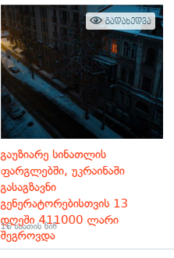

Bug Report Title | overlapping figure
Bug priority: | Low
Defects’ Type: | Visual (UI)
Environment: | Windows 10 – Chrome – Wi-Fi
Steps to reproduce: | 1.Go to On.ge 2.Click on "News". 3.scroll down to see the newses and informations
Expected Result: | News infos and dates and hours should be beautifully shown and nothing should be overlaped on each other
Actual Result: | Date and hours are overlapping information

